Login
S/NO | TEST TITLE | TEST CASE | STEPS TO REPRODUCE | EXPECTED RESULT | ACTUAL RESULT | STATUS | ATTACHMENTS (IN CASE OF BUG ONLY)
TC1 | Login | Verify whether a user is able to login with valid username and password | 1.Open URL : {https://testing-assessment-foh15kew9-edvora.vercel.app/} 2.Enter registered user’s username in the username field 3.Enter valid password 4.Click on Login Button | User should be logged in succesfully | as expected | Pass
TC2 | Login | Verify whether it allows user to login with a valid username and an invalid password | 1.Open URL : {https://testing-assessment-foh15kew9-edvora.vercel.app/} 2.Enter registered user’s username in the username field 3.Enter invalid/incorrect password 4.Click on Login Button | It should not allow user to login | as expected | Pass
TC3 | Login | Verify whether it allows user to login with a valid username and an invalid password and display a validation message to enter a valid password | 1.Open URL : {https://testing-assessment-foh15kew9-edvora.vercel.app/} 2.Enter registered user’s username in the username field 3.Enter invalid/incorrect password 4.Click on Login Button | It should display validation message for invalid credentials | No Validation message is displayed | 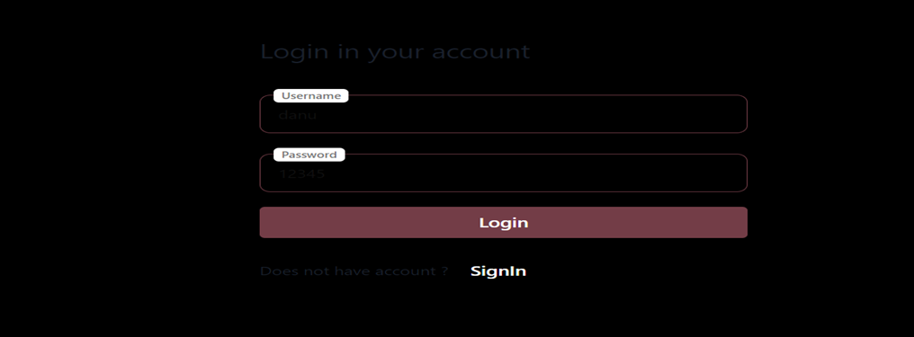 Fail
TC4 | Login | Verify whether it allows user to login with a valid username and an invalid password whether invalid password field gets highlighted | 1.Open URL : {https://testing-assessment-foh15kew9-edvora.vercel.app/} 2.Enter registered user’s username in the username field 3.Enter invalid/incorrect password 4.Click on Login Button | Incorrect input field should get highlighted with different color | No field is highlighted | Fail | 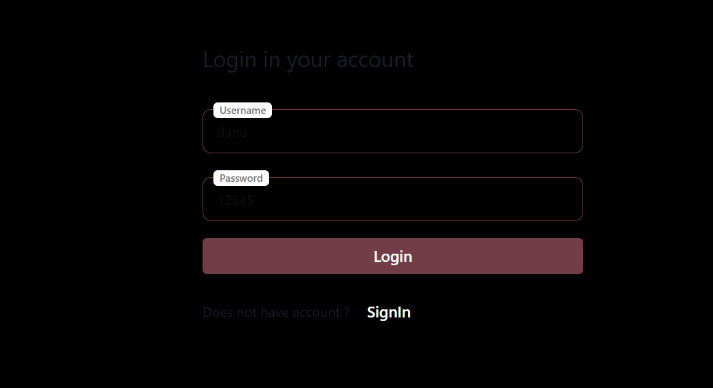
TC5 | Login | Verify the login page when the fields are blank and Login button is clicked. | 1.Open URL : {https://testing-assessment-foh15kew9-edvora.vercel.app/} 2.Click on Login Button | It should not allow user to login | as expected | Pass
TC6 | Login | Verify the login page when the fields are blank and Login button is clicked check whether validation message is displayed and fields are highlighted | 1.Open URL : {https://testing-assessment-foh15kew9-edvora.vercel.app/} 2.Click on Login Button | Validation message should be display to enter credentials. Username and Password field should get highlighted with different color | No Validation message is displayed to enter credentials. No field is highlighted | 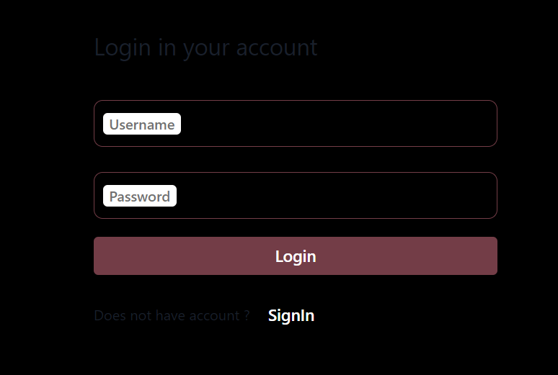 Fail
TC7 | Login | Verify if the password is entered in encrypted | 1.Open URL : {https://testing-assessment-foh15kew9-edvora.vercel.app/} 2.Enter registered user’s username in the username field 3.Enter valid password 4.Click on Login Button | Password is entered in encrypted form | Password is not enterd in encrypted form | 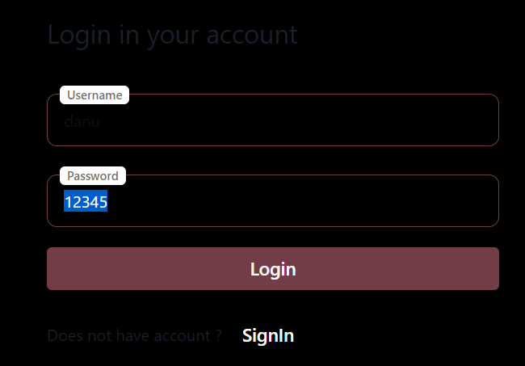 Fail
TC8 | SignIn option for new users | Verify SignIn Option for new users | 1.Open URL : {https://testing-assessment-foh15kew9-edvora.vercel.app/} 2.Click on SignIn Button | Clicking signIn link takes the user to signIn page successfully | as expected | Pass
TC9 | User Interface | Verify if the font, text color, and color coding of the Login page is as per the standard. | 1.Open URL : {https://testing-assessment-foh15kew9-edvora.vercel.app/} | Font,Text color and color coding of the Login page should be standard. username and password fields text entered should be readable | Text color and color coding of the page is not standard. | Fail
TC10 | Logout and Login | Verify that clicking on the browser back button after succesful logout should not take user to logged in mode | 1.Open URL : {https://testing-assessment-foh15kew9-edvora.vercel.app/} 2.Login with valid credentials 3.Click on Logout 4.Click on broswer back button | should not take user to logged in mode | Redirecting user to logged in mode | 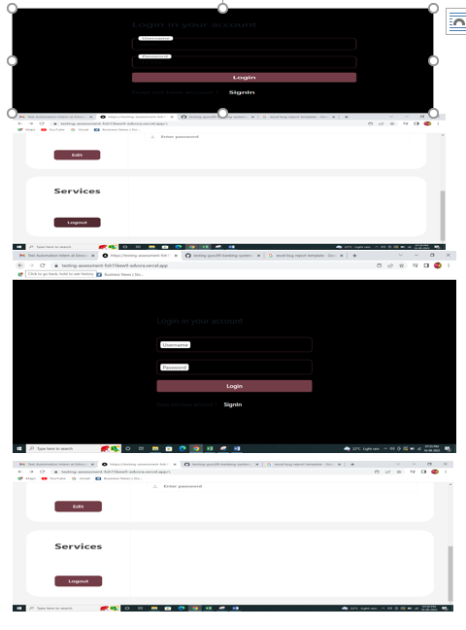 Fail
TC11 | User Interface | Verify that the labels float upward when the text field is in focus or filled | 1.Open URL : {https://testing-assessment-foh15kew9-edvora.vercel.app/} 2.Click on username and password field | Username and password field should float when focused or filled | as expected | Pass
TC12 | Login | Verify that the User shouldn’t log in successfully with the old password post-changing the password | 1.Open URL : {https://testing-assessment-foh15kew9-edvora.vercel.app/} 2.Login with valid credentials 3.Change password and logout 4.Login with userid and old password | It should not allow user to login | as expected | Pass
TC13 | Login | Verify that the User shouldn log in successfully with the new password post-changing the password | 1.Open URL : {https://testing-assessment-foh15kew9-edvora.vercel.app/} 2.Login with valid credentials 3.Change password and logout 4.Login with userid and new password | User should be logged in succesfully | as expected | Pass
TC14 | Forgot Password | Verify Forgot password link is present | 1.Open URL : {https://testing-assessment-foh15kew9-edvora.vercel.app/} | Forgot password link should be present to reset password | Forgot password link is not present | Fail

Register
S/NO | TEST TITLE | TEST CASE | STEPS TO REPRODUCE | EXPECTED RESULT | ACTUAL RESULT | STATUS | ATTACHMENTS (IN CASE OF BUG ONLY)
1 | Create Account | Verify that create account link is present or not | 1.Open URL : {https://testing-assessment-foh15kew9-edvora.vercel.app/} 2.Click on signIn | User should be redirected to Create account page | as expected | pass
2 | Create Account | Verify create account Button | 1.Open URL : {https://testing-assessment-foh15kew9-edvora.vercel.app/} 2.Click on signIn 3.Click on Create Account button | Validation message should be displayed to to enter Username and password | account is created without username and password | Fail | 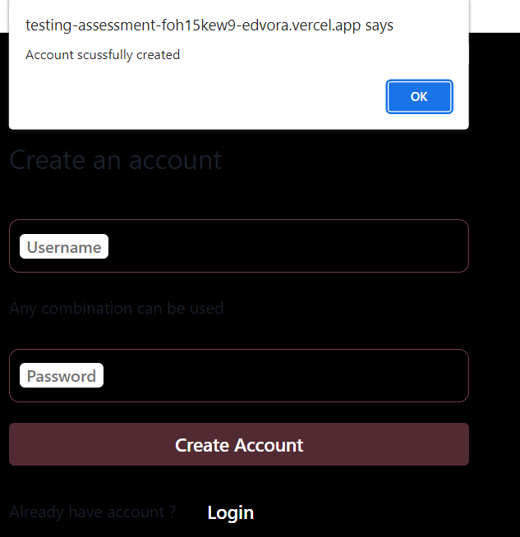
3 | Create Account | Verify create account | 1.Open URL : {https://testing-assessment-foh15kew9-edvora.vercel.app/} 2.Click on signIn 3.Enter username in the username field 4.Enter valid password 5.Click on Create Account button | Account should be succesfully created | as expected | pass
4 | Create Account | Verify create account | 1.Open URL : {https://testing-assessment-foh15kew9-edvora.vercel.app/} 2.Click on signIn 3.Enter username in the username field 4.Click on Create Account button | Valid Error message should be displayed to enter password and account should not be created | account is created succesfully | Fail | 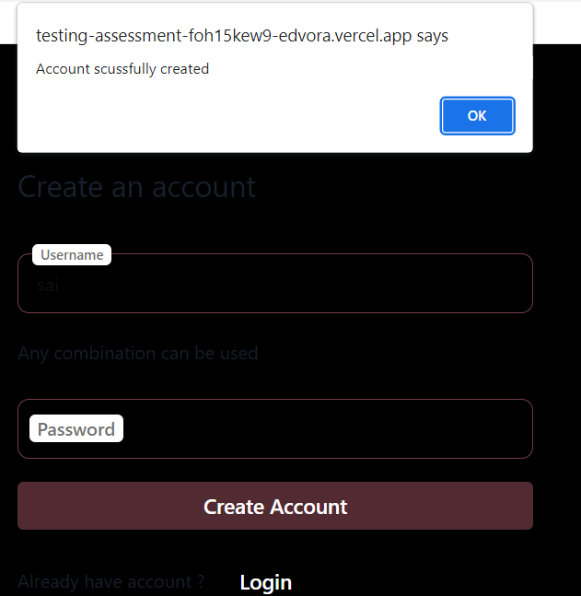
5 | Create Account | Verify create account | 1.Open URL : {https://testing-assessment-foh15kew9-edvora.vercel.app/} 2.Click on signIn 3.Enter password 4.Click on Create Account button | Valid Error message should be displayed to enter Username | account is created succesfully | Fail | 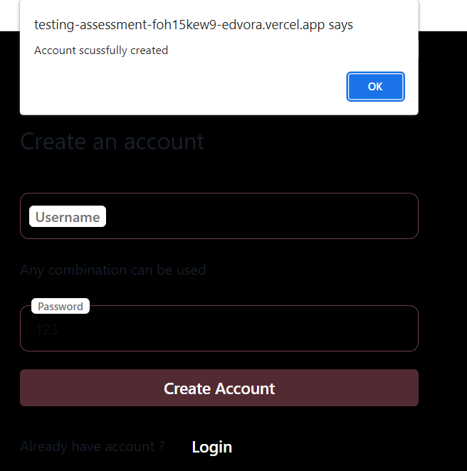
6 | Login | Verify Login button | 1.Open URL : {https://testing-assessment-foh15kew9-edvora.vercel.app/} 2.Click on signIn 3.Click on LogIn Button | User should be redirected to Login in your account page | as expected | pass
7 | User Interface | Verify if the font, text color, and color coding of the Login page is as per the standard. | 1.Open URL : {https://testing-assessment-foh15kew9-edvora.vercel.app/} 2.Click on signin | Font,Text color and color coding of the Login page should be standard. username and password fields text entered should be readable | Text color and color coding of the page is not standard. | Fail | 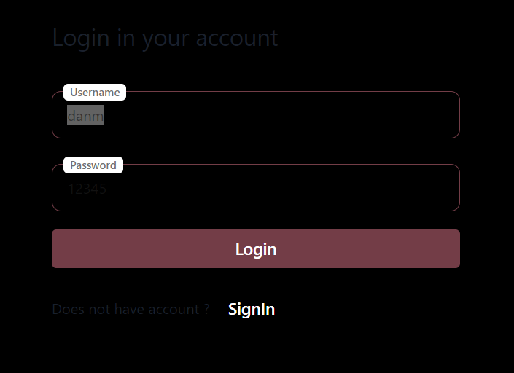
8 | User Interface | Verify that the labels float upward when the text field is in focus or filled | 1.Open URL : {https://testing-assessment-foh15kew9-edvora.vercel.app/} 2.Click on signin button 2.Click on username and password field | Username and password field should float when focused or filled | as expected | Pass

Profile settings
S/NO | TEST TITLE | TEST CASE | STEPS TO REPRODUCE | EXPECTED RESULT | ACTUAL RESULT | STATUS | ATTACHMENTS (IN CASE OF BUG ONLY)
1 | Profile page | Verify that the user should be redirected to the profile page without any error | 1.Open URL : {https://testing-assessment-foh15kew9-edvora.vercel.app/} 2.Enter registered user’s username in the username field 3.Enter valid password 4.Click on Login Button | User should be logged in and redirected to profile page | as expected | Pass
2 | Edit | Verify that user redirects to the edit page or not when the user clicks on the edit button | 1.Open URL : {https://testing-assessment-foh15kew9-edvora.vercel.app/} 2.Enter registered user’s username in the username field 3.Enter valid password 4.Click on Login Button 5.Click on Edit Button | User should be able to edit user information | as expected | Pass
3 | Full Name | Verify whether the user is able to click and type on the name field or not. | 1.Open URL : {https://testing-assessment-foh15kew9-edvora.vercel.app/} 2.Enter registered user’s username in the username field 3.Enter valid password 4.Click on Login Button 5.Click on Edit Button 6.Click on Full Name and type | User should be able to click and type name | as expected | Pass
4 | Full Name | Check the user should be allowed to enter only alphabet characters in the name field | 1.Open URL : {https://testing-assessment-foh15kew9-edvora.vercel.app/} 2.Enter registered user’s username in the username field 3.Enter valid password 4.Click on Login Button 5.Click on Edit Button 6.Click on Full Name and type alphabets,numbers,and special characters | User should not be able to type numbers and special characters | User is able to type alphabets and special characters | Fail | 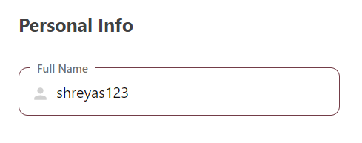
5 | Full Name | Verify validation error message should be displayed when the user enters numeric and special characters in the name field. | 1.Open URL : {https://testing-assessment-foh15kew9-edvora.vercel.app/} 2.Enter registered user’s username in the username field 3.Enter valid password 4.Click on Login Button 5.Click on Edit Button 6.Click on Full Name and type alphabets,numbers,and special characters | Validation message should be displayed | No message is displayed | Fail
6 | Date of Birth | Verify the month and day accept only two digits and year accepts four digits | 1.Open URL : {https://testing-assessment-foh15kew9-edvora.vercel.app/} 2.Enter registered user’s username in the username field 3.Enter valid password 4.Click on Login Button 5.Click on Edit Button 6.click on Date of Birth | Valid date should be entered | as expected | Pass
7 | Date of Birth | Verify only valid dates are accepted, canot enter a day greater then 31 and month greater then 12 | 1.Open URL : {https://testing-assessment-foh15kew9-edvora.vercel.app/} 2.Enter registered user’s username in the username field 3.Enter valid password 4.Click on Login Button 5.Click on Edit Button 6.click on Date of Birth | Valid dates are entered | as expected | Pass
8 | Date of Birth | Verify date field validates unrealistic age | 1.Open URL : {https://testing-assessment-foh15kew9-edvora.vercel.app/} 2.Enter registered user’s username in the username field 3.Enter valid password 4.Click on Login Button 5.Click on Edit Button 6.click on Date of Birth | Unrealistic age should not be allowed | Unrealistic age is accepted | Fail | 
9 | Gender | Verify on click Gender dropdown it should display a list containing values | 1.Open URL : {https://testing-assessment-foh15kew9-edvora.vercel.app/} 2.Enter registered user’s username in the username field 3.Enter valid password 4.Click on Login Button 5.Click on Edit Button 6.click on Gender | A Gender drop down should be displayed with a list containing values | as expected | Pass
10 | Gender | Verify on click selected value dispalyed or not | 1.Open URL : {https://testing-assessment-foh15kew9-edvora.vercel.app/} 2.Enter registered user’s username in the username field 3.Enter valid password 4.Click on Login Button 5.Click on Edit Button 6.click on Gender | Verify on click selected value should display | as expected | Pass
11 | Mobile Number | Verify mobile number field should accept only the numeric value by entering alphabets and special characters | 1.Open URL : {https://testing-assessment-foh15kew9-edvora.vercel.app/} 2.Enter registered user’s username in the username field 3.Enter valid password 4.Click on Login Button 5.Click on Edit Button 6.click on Mobile Number | Only numeric values should be accepted | Accepting all alphabets and special characters |  Fail
12 | Mobile Number | Verify by entering the less and more number than the actual mobile number | 1.Open URL : {https://testing-assessment-foh15kew9-edvora.vercel.app/} 2.Enter registered user’s username in the username field 3.Enter valid password 4.Click on Login Button 5.Click on Edit Button 6.click on Mobile Number | Mobile Number field should accept only 10 digits | Accepting less and more numbers in mobile number field | Fail
13 | Mobile Number | Verify with Flags country code is shown or not with the Mobile Number field | 1.Open URL : {https://testing-assessment-foh15kew9-edvora.vercel.app/} 2.Enter registered user’s username in the username field 3.Enter valid password 4.Click on Login Button 5.Click on Edit Button 6.click on Mobile Number | Mobile Number field should show flags with country code | Mobile Number field is not showing flags with country code | Fail
14 | Address | Verify that the user should be able to enter alphabetic,numeric,special characters in the address field or not | 1.Open URL : {https://testing-assessment-foh15kew9-edvora.vercel.app/} 2.Enter registered user’s username in the username field 3.Enter valid password 4.Click on Login Button 5.Click on Edit Button 6.click on Address | Address field should accept all alphabets,numerics and special characters | as expected | Pass
15 | Save | Verify on clicking save button page redirect to profile page or not | 1.Open URL : {https://testing-assessment-foh15kew9-edvora.vercel.app/} 2.Enter registered user’s username in the username field 3.Enter valid password 4.Click on Login Button 5.Click on Edit Button 6.click on Address 7.Click on Save | Page should redirect to a profile page | Page is redirecting to a external site | 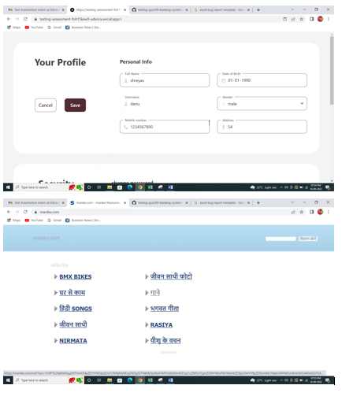 Fail
16 | Save | Verify on clicking save button all the information are saved or not | 1.Open URL : {https://testing-assessment-foh15kew9-edvora.vercel.app/} 2.Enter registered user’s username in the username field 3.Enter valid password 4.Click on Login Button 5.Click on Edit Button 6.click on Address 7.Click on Save 8.Logout 9.Login | Updated information should be saved | as expected | Pass
17 | Cancel | Verify on Clicking cancel button edited information should not be saved | 1.Open URL : {https://testing-assessment-foh15kew9-edvora.vercel.app/} 2.Enter registered user’s username in the username field 3.Enter valid password 4.Click on Login Button 5.Click on Edit Button 6.click on Full Name add Name 7.Click on Cancel 8.Logout 9.Login | Updated information should not be saved | Updated information is saved | Fail | 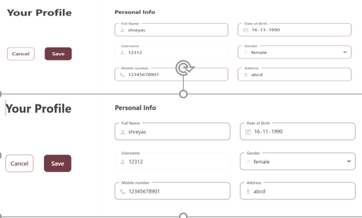
18 | Cancel | Verify on clicking cancel button page redirect to profile page or not | 1.Open URL : {https://testing-assessment-foh15kew9-edvora.vercel.app/} 2.Enter registered user’s username in the username field 3.Enter valid password 4.Click on Login Button 5.Click on Edit Button 6.Click on Cancel | Page should redirect to a profile page | Page is redirecting to a external site | Fail | 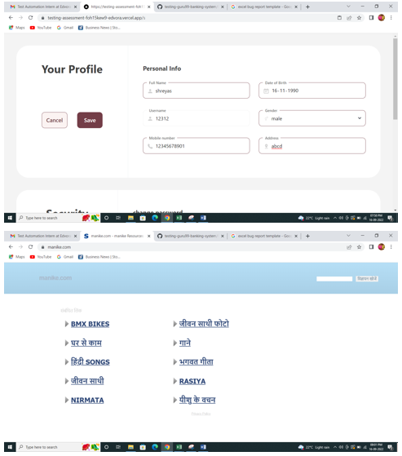
19 | Edit Change Password | Verify that user is able to enter password when the user clicks on the edit button | 1.Open URL : {https://testing-assessment-foh15kew9-edvora.vercel.app/} 2.Enter registered user’s username in the username field 3.Enter valid password 4.Click on Login Button 5.Scroll to security click on edit | User should be able to enter new password | as expected | Pass
20 | Edit Change Password | Verify if the password is entered in encrypted | 1.Open URL : {https://testing-assessment-foh15kew9-edvora.vercel.app/} 2.Enter registered user’s username in the username field 3.Enter valid password 4.Click on Login Button 5.Scroll to security click on edit | Entered password should be masked | Entered password is not masked | Fail | 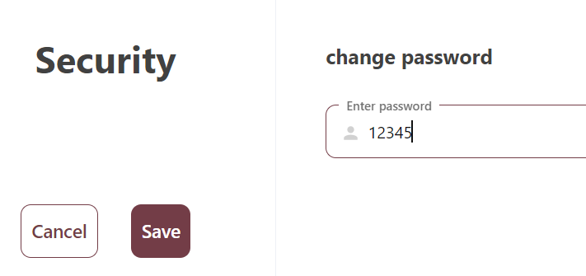
21 | Cancel Edit Password | Verify on Clicking cancel button edited password should not be saved | 1.Open URL : {https://testing-assessment-foh15kew9-edvora.vercel.app/} 2.Enter registered user’s username in the username field 3.Enter valid password 4.Click on Login Button 5.Scroll to security click on edit enter new pasword 6.Click on cancel | Entered password should not be saved and user should redirect to profile page of security section | as expected | Pass
22 | Logout | Verify On clicking logout user should redirect to login page or not | 1.Open URL : {https://testing-assessment-foh15kew9-edvora.vercel.app/} 2.Enter registered user’s username in the username field 3.Enter valid password 4.Click on Login Button 5.Scroll to services 6.click on Logout | On clicking logout user should be redirected to Login page | as expected | Pass

